4.2.1_perf1
Unsupervised simcse

 | max_seq_length 64
 | learning_rate 1e-5
 | batch_size 64

 | best stsb dev
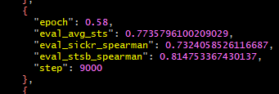

 | senteval total

4.21.0_perf1
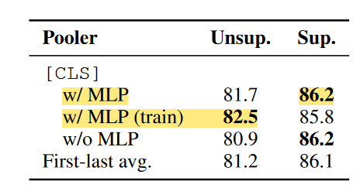
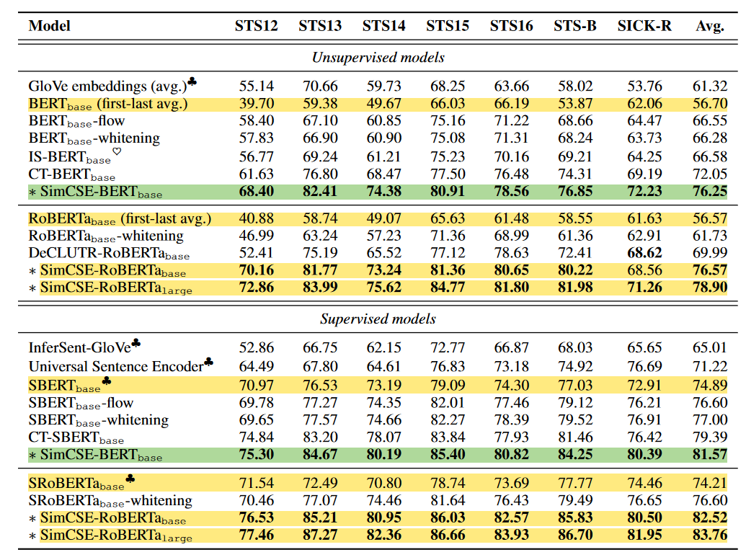
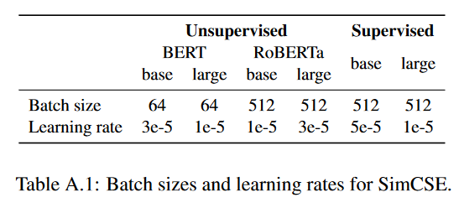
Unsupervised

 | _n_gpu: 1 |  |  | _n_gpu: 1 |  |  | _n_gpu: 1
 | disable_gradient_clipping: False |  |  | disable_gradient_clipping: False |  |  | disable_gradient_clipping: False
 | learning_rate: 1e-05 |  |  | learning_rate: 3e-05 |  |  | learning_rate: 5e-05
 | max_seq_length: 32 |  |  | max_seq_length: 32 |  |  | max_seq_length: 32
 | per_device_train_batch_size: 64 |  |  | per_device_train_batch_size: 64 |  |  | per_device_train_batch_size: 64

 |  | best stsb dev | 0.8164 |  | best stsb dev | 0.8065 |  | best stsb dev |  | 0.8098

 |  | senteval total |  |  | senteval total |  |  | senteval total

 | _n_gpu: 1 |  |  | _n_gpu: 1 |  |  | _n_gpu: 1
 | disable_gradient_clipping: True |  |  | disable_gradient_clipping: True |  |  | disable_gradient_clipping: True
 | learning_rate: 1e-05 |  |  | learning_rate: 3e-05 |  |  | learning_rate: 5e-05
 | max_seq_length: 32 |  |  | max_seq_length: 32 |  |  | max_seq_length: 32
 | per_device_train_batch_size: 64 |  |  | per_device_train_batch_size: 64 |  |  | per_device_train_batch_size: 64

 |  | best stsb dev | 0.771 |  | best stsb dev | 0.79319 |  | best stsb dev | 0.82759

 |  | senteval total |  |  | senteval total |  |  | senteval total

Supervised

 | _n_gpu: 1 |  |  | _n_gpu: 1 |  |  | _n_gpu: 1
 | disable_gradient_clipping: False |  |  | disable_gradient_clipping: False |  |  | disable_gradient_clipping: False
 | learning_rate: 1e-05 |  |  | learning_rate: 3e-05 |  |  | learning_rate: 5e-05
 | max_seq_length: 32 |  |  | max_seq_length: 32 |  |  | max_seq_length: 32
 | per_device_train_batch_size: 64 |  |  | per_device_train_batch_size: 64 |  |  | per_device_train_batch_size: 64

 |  | best stsb dev | 0.8505 |  | best stsb dev | 0.8586 |  | best stsb dev | 0.8602

 |  | senteval total |  |  | senteval total |  |  | senteval total

 | _n_gpu: 1 |  |  | _n_gpu: 1 |  |  | _n_gpu: 1
 | disable_gradient_clipping: True |  |  | disable_gradient_clipping: True |  |  | disable_gradient_clipping: True
 | learning_rate: 1e-05 |  |  | learning_rate: 3e-05 |  |  | learning_rate: 5e-05
 | max_seq_length: 32 |  |  | max_seq_length: 32 |  |  | max_seq_length: 32
 | per_device_train_batch_size: 64 |  |  | per_device_train_batch_size: 64 |  |  | per_device_train_batch_size: 64

 |  | best stsb dev | 0.84954 |  | best stsb dev | 0.8596 |  | best stsb dev | 0.8618

 |  | senteval total |  |  | senteval total |  |  | senteval total

Reference

parameter diff
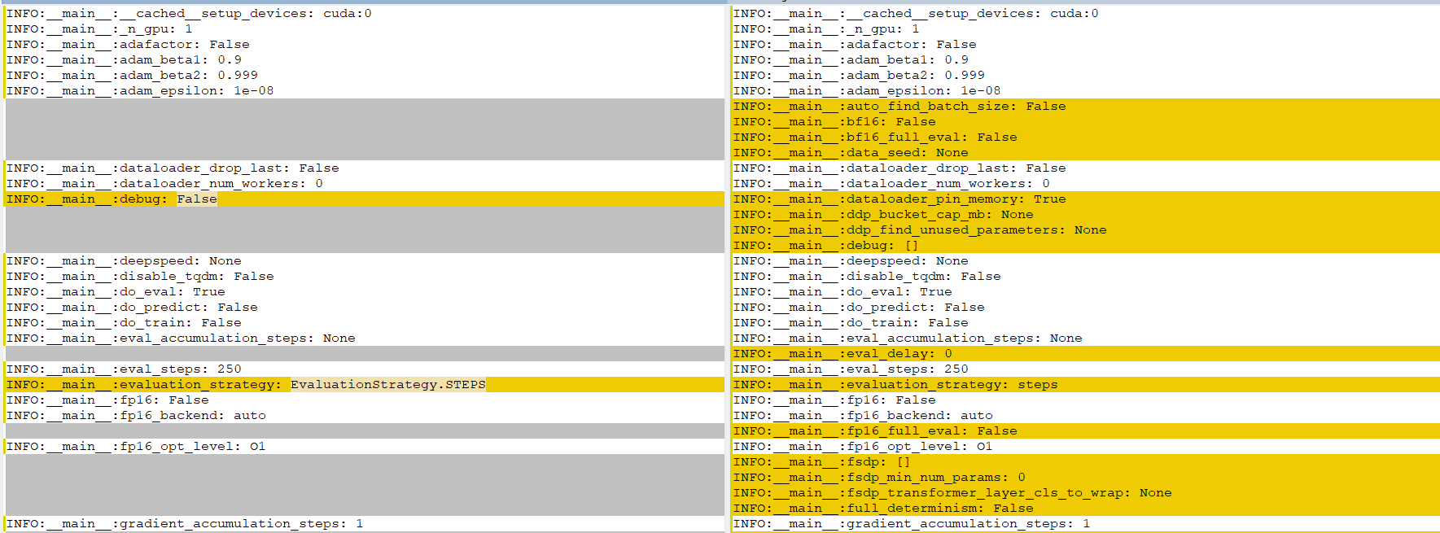

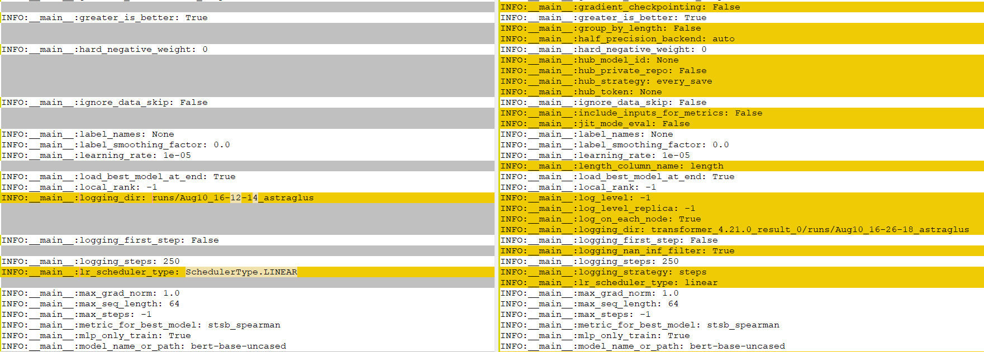

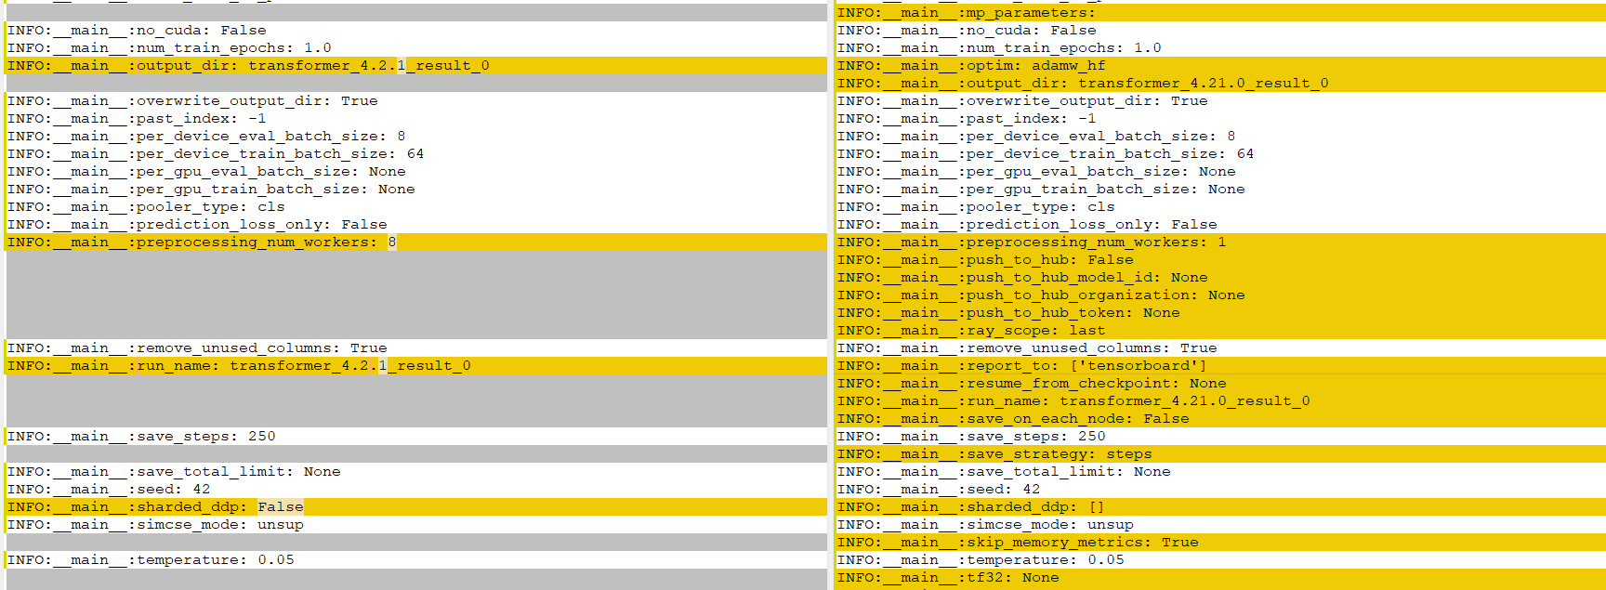

package diff
v4.11.0: GPT-J, Speech2Text2, FNet, Pipeline GPU utilization, dynamic model code loading
https://github.com/huggingface/transformers/releases/tag/v4.11.0

 | Fix loss computation in Trainer #13760 (@sgugger) - https://github.com/huggingface/transformers/pull/13760

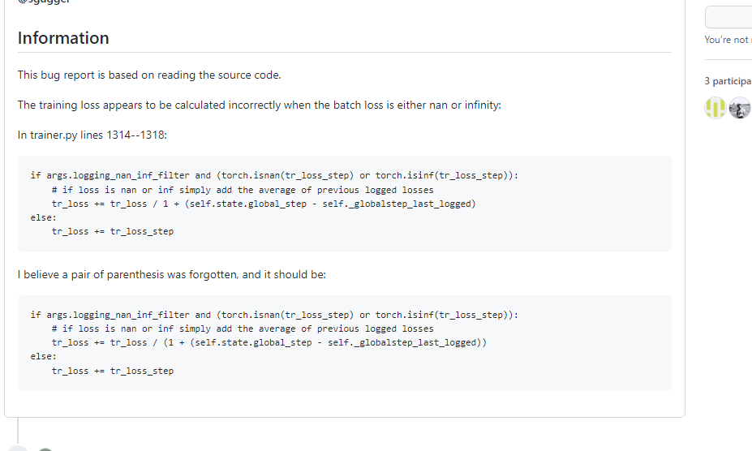

v4.6.0: ViT, DeiT, CLIP, LUKE, BigBirdPegasus, MegatronBERT
https://github.com/huggingface/transformers/releases?page=5

 | [trainer] solve "scheduler before optimizer step" warning #11144 (@stas00) - https://github.com/huggingface/transformers/pull/11144

